Feuil1
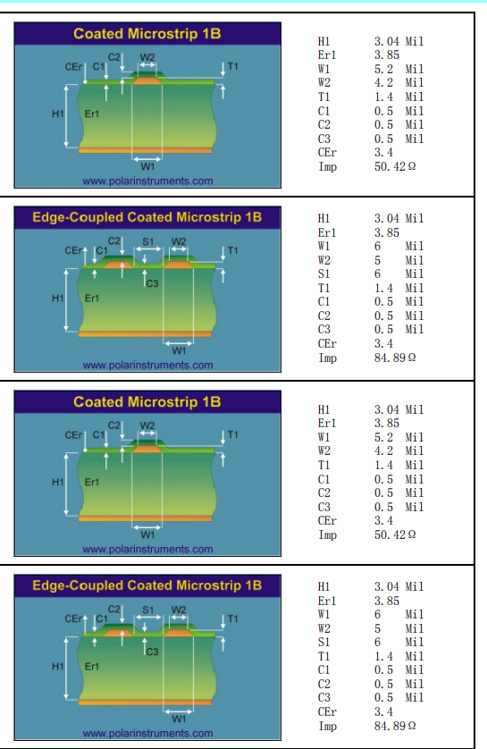
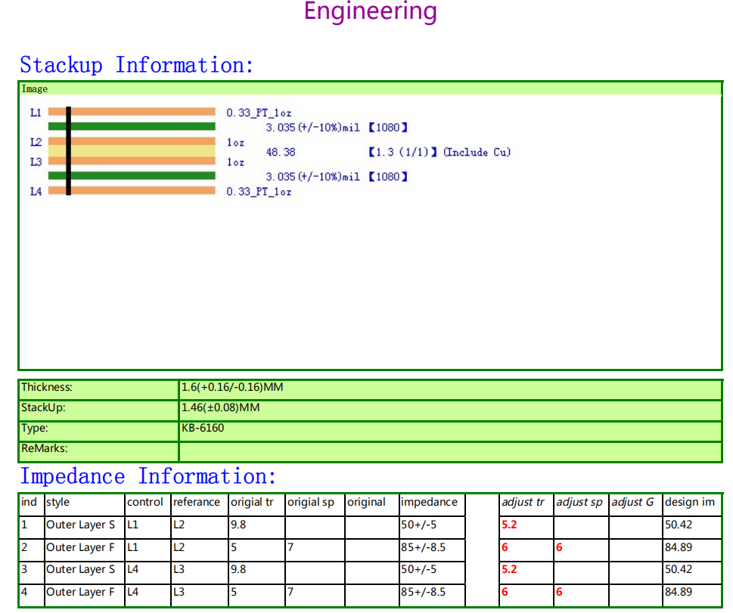
Layers | 4
Board thickness | 1.60
Material | KB-6160
Finish | NiAu
Vernis épargne | yes
Serigraphy | yes
Width | 33,40mm
Length | 139,30mm
Gold finger | yes

